Problem 2
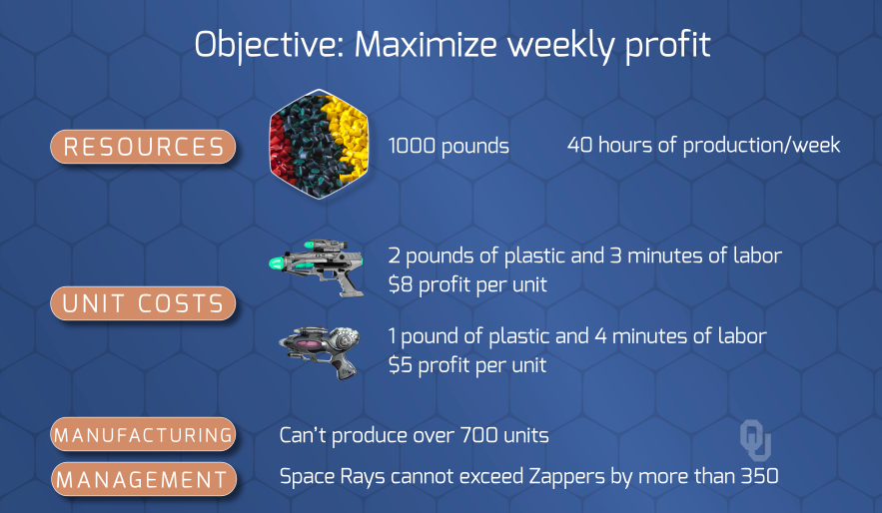
 |  | Product 1 | Product 2 | Total |  | Capacity
 | Num Products | 320 | 360 | 680 | <= | 700
 | Dif in Product Count |  | 40 | 40 | <= | 350

 |  | Product 1 | Product 2 |  |  | Profit
 | Profit per Product | 8 | 5 |  |  | 4360

 |  | Product 1 | Product 2 | Total |  | Capacity
 | Pounds | 2 | 1 | 1000 | <= | 1000
 | Minutes | 3 | 4 | 2400 | <= | 2400

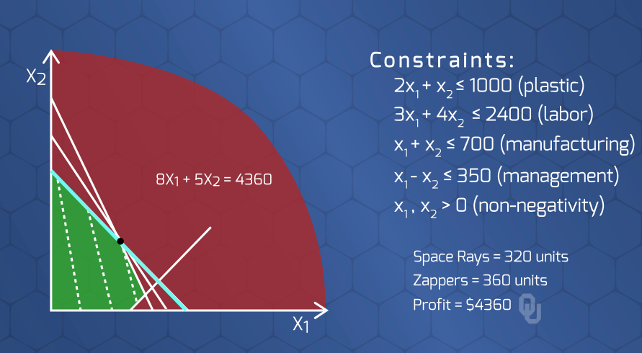

 | If total units > 400, then 70% of all units are Zappers.
 | Else anything

if | spaceRays + zappers >= 400 + M*z
then | zappers >= 70 * (spaceRays + zappers) + M*z

OR

 | spaceRays | 194.595 | 0.30
 | zappers | 454.054 | 0.70
 |  | 648.649

Problem 3
 |  |  | Chemicals |  |  |  |  |  | Process at manufacturer |  |  |  |  | Final Product

 | Max available |  |  |  |  |  | -> 85% makes it to the manufacturer -> |  |  |  |  | -> $11 cost to make the final prod, or -> |  |  |  | Cannot store here
 | Cost |  |  |  |  |  | -> Only can process chemicals made yesterday -> |  |  |  |  | V $1.30 to store with upper storage bound of 3,000 V
 | End with 2000 in storage |  |  |  |  |  | V Any that is stored will lose 8% (82% decay) V |  |  |  |  | -> Minimum requirement, and ->
 | Start with 2000 in storage |  |  |  |  |  |  |  |  |  |  | -> Maximum requirement ->
 |  |  |  |  |  |  |  |  |  |  |  | -> Value associated with profit per gallon ->
 |  |  |  |  |  |  |  |  |  |  |  | (model this as negative amt)

 |  |  | Period 1 |  |  |  |  |  | Period 2 |  |  |  |  | Period 3 |  |  |  |  |  | Period 4 |  |  |  |  | End of Period 4

 |  |  |  |  |  |  | (2.50, 0, ∞, μ=0.85) |  |  |  |  | (2.50, 0, ∞, μ=0.85) |  |  |  |  |  | (3.00, 0, ∞, μ=0.85) |  |  |  | (3.50, 0, ∞, μ=0)

Inventory
Produce
Chemicals
Inventory
Produce
Inventory
Produce
Inventory
Produce
Inventory
2,000 |  |  |  | 7,500 |  |  |  | 0 |  | 9,000 |  |  | 0 |  | 8,500 |  |  |  | 0 |  | 9,200

Manufacture
Product
Manufacture
Product
Manufacture
Product

 | (0, 0, ∞, μ=0.92) |  |  |  |  |  |  | (0, 0, ∞, μ=0.92) |  | (11, 0, Inf) |  |  | (0, 0, ∞, μ=0.92) |  | (11, 0, Inf) |  |  |  | (0, 0, ∞, μ=0.92) |  | (11, 0, Inf)
Final Product
Final Product
Final Product
Final Product

 |  |  |  |  |  | (1.30, ∞, 3000) |  |  |  |  | (1.30, ∞, 3000) |  |  |  |  |  | (1.30, ∞, 3000) |  |  |  |  |  | (1.30, 2000, 2000)

 |  |  |  |  |  |  |  |  |  |  |  |  |  |  |  |  |  |  |  |  |  |  |  | (-1, 0, ∞, μ=0)

 |  |  |  | (0, 2000, 3000, μ=38) |  |  |  |  |  | (0, 2500, 3000, μ=40) |  |  |  |  | (0, 2800, 5000, μ=42) |  |  |  |  |  | (0, 2500, 5000, μ=42)
Demand
Demand
Demand
Demand
Flow Balance Zero-Out

 |  | Cost to make Final Prod | $11.00

 |  |  | Period 1 | Period 2 | Period 3 | Period 4
Max available (chemical base) |  |  | 7,500 | 9,000 | 8,500 | 9,200
Cost/gallon (chemical base) |  |  | $2.50 | $2.50 | $3.00 | $3.50
Min required (final product) |  |  | 2,000 | 2,500 | 2,800 | 2,500
Max required (final product) |  |  | 3,000 | 3,000 | 5,000 | 5,000
Price/gallon (final product) |  |  | $38.00 | $40.00 | $42.00 | $42.00

Some Example Nodes
 | Labor Sources |  |  |  |  | Overtime Choice |  |  |  | Plants |  |  |  |  | Business Partners | Labor, Manufacturing, and Transportation Cost Calculations for Arcs

ScranMult
Scranton
 |  |  |  |  |  |  |  |  |  |  |  |  |  |  |  | Labor (Cost per Unit Output and Total Supply Available)
 |  |  |  |  |  | 0 |  |  |  | 0 |  |  |  |  |  | Type | Cost per Person | Unit Output per Person | Cost / Unit | Total Labor Avail | TTL Product Supply |  |  | c | l | u | Comment | Concat |  | labor / prod | trans | c | u | l |  | Copy Paste
 |  |  |  |  |  |  | (1, 0 505) |  |  |  |  |  |  |  |  | Specialist | $2,000 | 12 | $166.67 | 100 | 1,200 |  | [Specialist, ScranMult ] | 191.67 | . | . | # Cost of Transportation + Labor per Unit of Output (see screenshot) | [Specialist, ScranMult ] 191.67 . . # Cost of Transportation + Labor per Unit of Output (see screenshot) | [Specialist, Scranton ] | 166.7 | 300 | 466.7 | 100 | . | 466.7 100 . | [Specialist, Scranton ] 466.7 100 .
 |  |  |  |  |  |  |  |  |  |  |  |  |  |  |  | Generalist | $1,700 | 10 | $170.00 | 200 | 2,000 |  | [Specialist, UticaMult] | 187.50 | . | . |  | [Specialist, UticaMult] 187.5 . . | [Specialist, Utica ] | 166.7 | 250 | 416.7 | 100 | . | 416.7 100 . | [Specialist, Utica ] 416.7 100 .
 | 1200 |  |  |  |  |  | (1.5, 0, 100) |  |  |  |  |  |  |  | -1000 |  |  |  |  |  |  |  | [Specialist, StamMult ] | 189.58 | . | . |  | [Specialist, StamMult ] 189.58 . . | [Specialist, Stamford ] | 166.7 | 275 | 441.7 | 100 | . | 441.7 100 . | [Specialist, Stamford ] 441.7 100 .
Specialist
Goggle
 |  |  | (191.67,0,∞) |  |  |  |  |  |  |  |  | (98,0,∞) |  |  |  | Cost of Transportation |  |  |  |  |  |  | [Generalist, ScranMult ] | 200.00 | . | . |  | [Generalist, ScranMult ] 200 . . | [Generalist, Scranton ] | 170 | 300 | 470 | 200 | . | 470 200 . | [Generalist, Scranton ] 470 200 .
 |  |  |  |  |  |  |  |  |  |  |  |  |  |  |  |  | Scranton, PA | Utica, NY | Stamford, CT |  |  |  | [Generalist, UticaMult] | 195.00 | . | . |  | [Generalist, UticaMult] 195 . . | [Generalist, Utica ] | 170 | 250 | 420 | 200 | . | 420 200 . | [Generalist, Utica ] 420 200 .
 |  |  |  | (200.00,0,∞) |  |  |  |  |  |  |  |  |  |  |  | Per Person | 300 | 250 | 275 |  |  |  | [Generalist, StamMult ] | 197.50 | . | . |  | [Generalist, StamMult ] 197.5 . . | [Generalist, Stamford ] | 170 | 275 | 445 | 200 | . | 445 200 . | [Generalist, Stamford ] 445 200 .
UticaMult
Utica
 |  |  |  |  |  | 0 |  |  |  | 0 |  | (119,0,∞) |  |  |  | Per Unit of Product (trans. Cost / unit output by type) |  |  |  |  |  |  |  |  |  |  |  |  | [Scranton, Faceblock] | 90 | 8 | 98 | 505 | . | 98 505 . | [Scranton, Faceblock] 98 505 .
 |  |  |  | (187.50,0,∞) |  |  | (1, 0 465) |  |  |  |  |  |  |  |  | Specialist | $25.00 | $20.83 | $22.92 |  |  |  | [ScranMult, Scranton] | 1.00 | . | 505 |  | [ScranMult, Scranton] 1 . 505 | [Scranton, Goggle ] | 90 | 15 | 105 | 505 | . | 105 505 . | [Scranton, Goggle ] 105 505 .
 |  |  |  |  |  |  |  |  |  |  |  |  |  | (139,0,∞) |  | Generalist | $30.00 | $25.00 | $27.50 |  |  |  | [ScranMult, Scranton] | 1.50 | . | 100 | # 1.5 multiplied if using overtime per plant | [ScranMult, Scranton] 1.5 . 100 # 1.5 multiplied if using overtime per plant | [Utica, Faceblock] | 105 | 14 | 119 | 465 | . | 119 465 . | [Utica, Faceblock] 119 465 .
 |  |  |  |  |  |  | (1.5, 0, 100) |  |  |  |  |  |  |  |  |  |  |  |  |  |  |  | [UticaMult, Utica] | 1.00 | . | 465 |  | [UticaMult, Utica] 1 . 465 | [Utica, Goggle ] | 105 | 18 | 123 | 465 | . | 123 465 . | [Utica, Goggle ] 123 465 .
Generalist
Faceblock
 |  |  |  | (195.00,0,∞) |  |  |  |  |  |  |  |  |  | (105,0,∞) |  | *Cost of Transportation + Labor per Unit of Output* |  |  |  |  |  |  | [UticaMult, Utica] | 1.50 | . | 100 |  | [UticaMult, Utica] 1.5 . 100 | [Stamford, Faceblock] | 115 | 24 | 139 | 570 | . | 139 570 . | [Stamford, Faceblock] 139 570 .
 |  |  |  |  |  |  |  |  |  |  |  |  |  |  |  |  | Scranton, PA | Utica, NY | Stamford, CT | Scranton, PA | Utica, NY | Stamford, CT | [StamMult, Stamford] | 1.00 | . | 570 |  | [StamMult, Stamford] 1 . 570 | [Stamford, Goggle ] | 115 | 20 | 135 | 570 | . | 135 570 . | [Stamford, Goggle ] 135 570 .
 |  |  |  |  |  |  |  |  |  |  |  |  | (123,0,∞) |  |  | Specialist | $191.67 | $187.50 | $189.58 | (191.67,0,∞) | (187.50,0,∞) | (189.58,0,∞) | [StamMult, Stamford] | 1.50 | . | 100 |  | [StamMult, Stamford] 1.5 . 100
StamMult
Stamford
 |  |  |  | (189.58,0,∞) |  | 0 |  |  |  | 0 |  |  |  |  |  | Generalist | $200.00 | $195.00 | $197.50 | (200.00,0,∞) | (195.00,0,∞) | (197.50,0,∞)
 |  |  |  |  |  |  | (1, 0 570) |  |  |  |  |  |  | (135,0,∞) |  |  |  |  |  |  |  |  | [Scranton, Goggle] | 98.00 | . | . | # Cost of manufacturing + transportation to businesses (See calcs in screenshot) | [Scranton, Goggle] 98 . . # Cost of manufacturing + transportation to businesses (See calcs in screenshot)
 |  |  | (197.50,0,∞) |  |  |  |  |  |  |  |  |  |  |  |  |  |  |  |  |  |  |  | [Scranton, Faceblock] | 105.00 | . | . |  | [Scranton, Faceblock] 105 . .
 | 2000 |  |  |  |  |  | (1.5, 0, 100) |  |  |  |  |  |  |  | -600 | Plant Production Limits |  |  |  |  |  |  | [Scranton, dummy ] | - | . | . |  | [Scranton, dummy ] 0 . .
 |  |  |  |  |  |  |  |  |  |  |  |  |  | (0,0,∞) |  |  | Base | OT | OT Mult |  |  |  | [Utica, Goggle] | 119.00 | . | . |  | [Utica, Goggle] 119 . . |  |  |  |  |  |  |  |  | Dummy will take in the extra supply at no cost
dumBus
 |  |  |  |  |  |  |  |  |  |  | (0,0,∞) |  |  |  |  | Scranton | 505 | 100 | 1.5 |  |  |  | [Utica, Faceblock] | 123.00 | . | . |  | [Utica, Faceblock] 123 . . |  |  |  |  |  |  |  |  | Need to figure out how to multiply if used over full 1600 towards faceblock and goggle
 |  |  |  |  |  |  | (0,0,∞) |  |  |  | (0,0,∞) |  |  |  |  | Utica | 465 | 100 | 1.5 |  |  |  | [Utica, dummy ] | - | . | . |  | [Utica, dummy ] 0 . .
 |  |  |  |  |  |  |  |  |  |  |  |  |  |  |  | Stamford | 570 | 100 | 1.5 |  |  |  | [Stamford, Goggle] | 139.00 | . | . |  | [Stamford, Goggle] 139 . .
dumPlant
 |  |  |  |  |  |  |  |  | (0,0,∞) |  |  |  |  |  |  |  |  |  |  |  |  |  | [Stamford, Faceblock] | 135.00 | . | . |  | [Stamford, Faceblock] 135 . .
 |  |  |  |  |  |  |  |  |  |  |  |  |  |  |  |  |  |  |  |  |  |  | [Stamford, dummy ] | - | . | . |  | [Stamford, dummy ] 0 . .
 |  |  |  |  |  |  |  | (0,0,∞) |  |  |  |  |  |  |  | Manufacturing and Transportation Costs |  |  |  |  | Man. + Trans Cost |  | ; |  |  |  |  | ;
 |  |  |  |  |  |  |  |  |  |  |  |  |  |  | -240 |  | Manufacture | Goggle | Faceblock |  | Goggle | Faceblock
 |  |  |  |  |  |  |  |  |  |  |  |  |  |  |  | Scranton | $90 | $8 | $15 |  | $98 | $105 |  | b
 |  |  |  |  |  |  |  |  |  |  |  |  |  |  |  | Utica | $105 | $14 | $18 |  | $119 | $123 | # Supply |  |  |  |  | # Supply
 |  |  |  |  |  |  |  |  |  | -1360 |  |  |  |  |  | Stamford | $115 | $24 | $20 |  | $139 | $135 | Specialist | 1,200 | # 12 units * 100 labor hours |  |  | Specialist 1200 # 12 units * 100 labor hours
Arc: (Cost, Lower, Upper) |  |  |  |  |  |  |  |  |  |  |  |  |  |  |  |  |  |  |  |  |  |  | Generalist | 2,000 | # 10 units * 200 labor hours |  |  | Generalist 2000 # 10 units * 200 labor hours
Nodes: Supply (Demand) |  |  |  |  | -> *Mult includes *Mult1x and *MultOT for simiplicity in graph |  |  |  |  |  |  |  |  |  |  |  |  |  |  |  |  |  | # Transshippment (Plants or OT Multiplier) |  |  |  |  | # Transshippment (Plants or OT Multiplier)
 |  |  |  |  |  |  |  |  |  |  |  |  |  |  |  |  |  |  |  |  |  |  | ScranMult | 0 |  |  |  | ScranMult 0
 |  |  |  |  |  |  |  |  |  |  |  |  |  |  |  |  |  |  |  |  |  |  | UticaMult | 0 |  |  |  | UticaMult 0
 |  |  |  |  |  |  |  |  |  |  |  |  |  |  |  |  |  |  |  |  |  |  | StamMult | 0 |  |  |  | StamMult 0
 | NODES | Specialist, Generalist, Scranton, Utica, Stamford, Goggle, Faceblock |  |  |  |  |  |  |  |  |  |  |  |  |  |  |  |  |  |  |  |  | Scranton | 0 |  |  |  | Scranton 0
 | ARCS | Set of all nodes from node i to node j |  |  |  |  |  |  |  |  |  |  |  |  |  |  |  |  |  |  |  |  | Utica | 0 |  |  |  | Utica 0
 | LABOR | Specialist, Generalist |  |  |  |  |  |  |  |  |  |  |  |  |  |  |  |  |  |  |  |  | Stamford | 0 |  |  |  | Stamford 0
 | PLANTS | Scranton, Utica, Stamford |  |  |  |  |  |  |  |  |  |  |  |  |  |  |  |  |  |  |  |  | # Demand |  |  |  |  | # Demand
 |  |  |  |  |  |  |  |  |  |  |  |  |  |  |  |  |  |  |  |  |  |  | Goggle | -1000 |  |  |  | Goggle -1000
 | flowi, j | number of units sent from arci, j (from node i to node j) |  |  |  |  |  |  |  |  |  |  |  |  |  |  |  |  |  |  |  |  | Faceblock | -600 | # 1200 + 2000 - 0 - 600 |  |  | Faceblock -600 # 1200 + 2000 - 0 - 600
 |  |  |  |  |  |  |  |  |  |  |  |  |  |  |  |  |  |  |  |  |  |  | dummy | -240 |  |  |  | dummy -240
 | ui, j | upper bound of number of units sent from arci, j (from node i to node j) |  |  |  |  |  |  |  |  |  |  |  |  |  |  |  |  |  |  |  |  | ; |  |  |  |  | ;
 | li, j | lower bound of number of units sent from arci, j (from node i to node j)
 | ci, j | cost of labor, transportation and manufacturing when sending one product from arci, j (from node i to node j)
 | bi | Demand of products for i in Businesses

